DECOMPOSIÇÃO ADITIVA
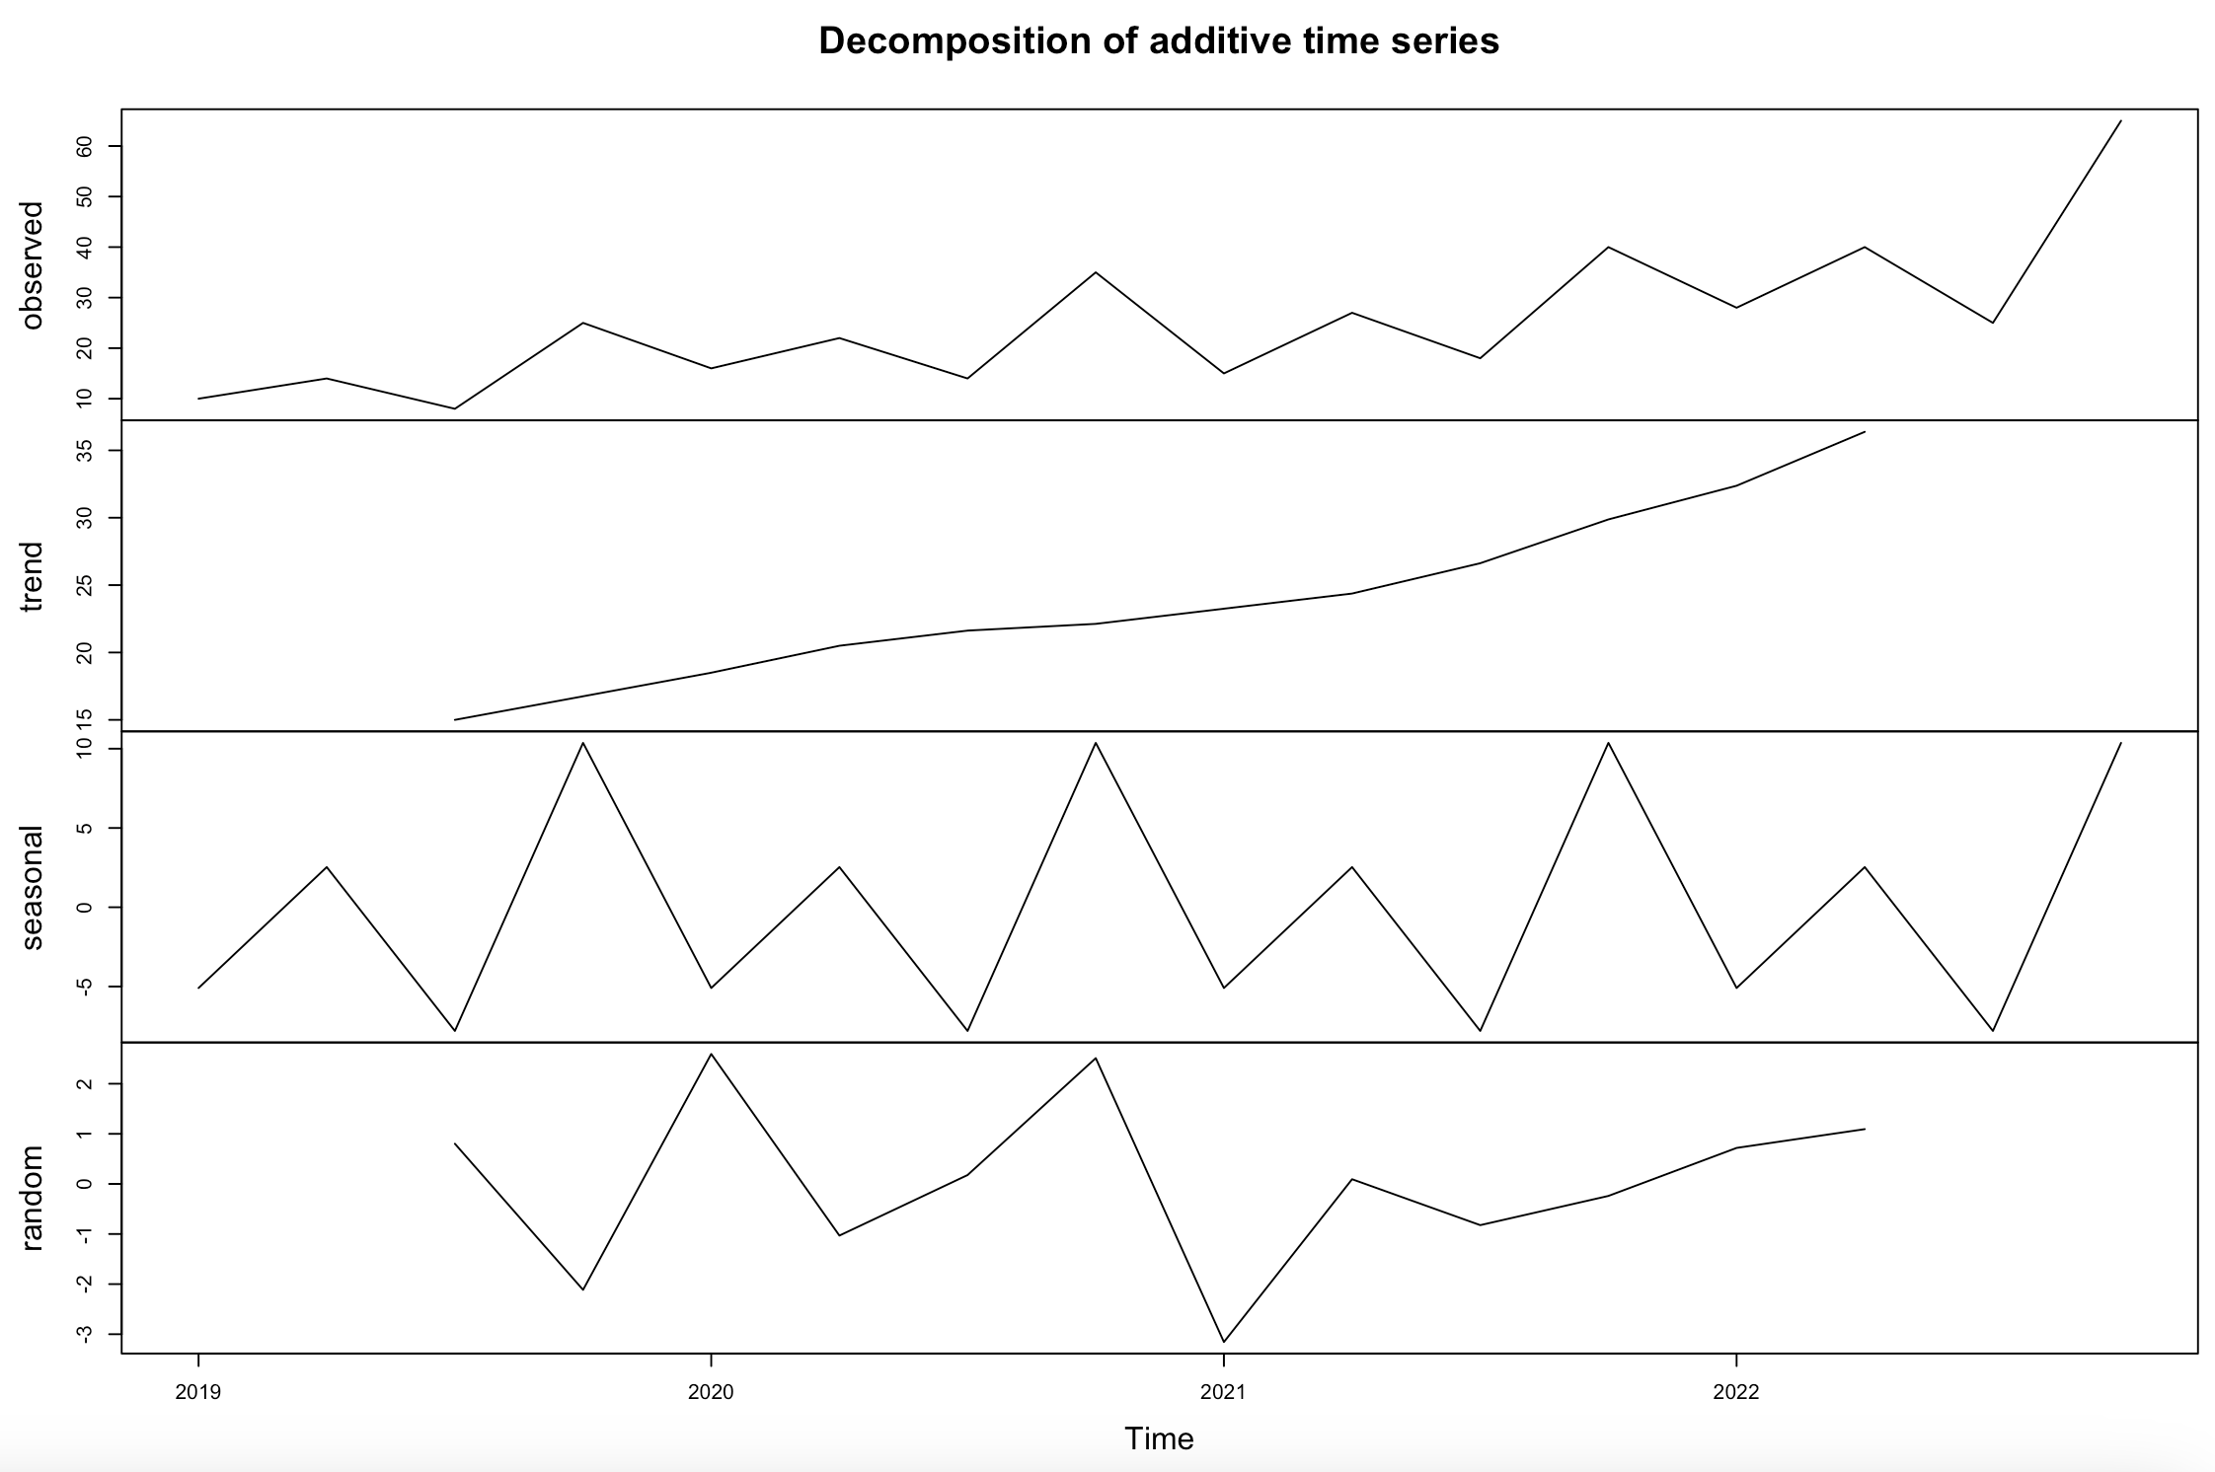
DECOMPOSIÇÃO ADITIVA
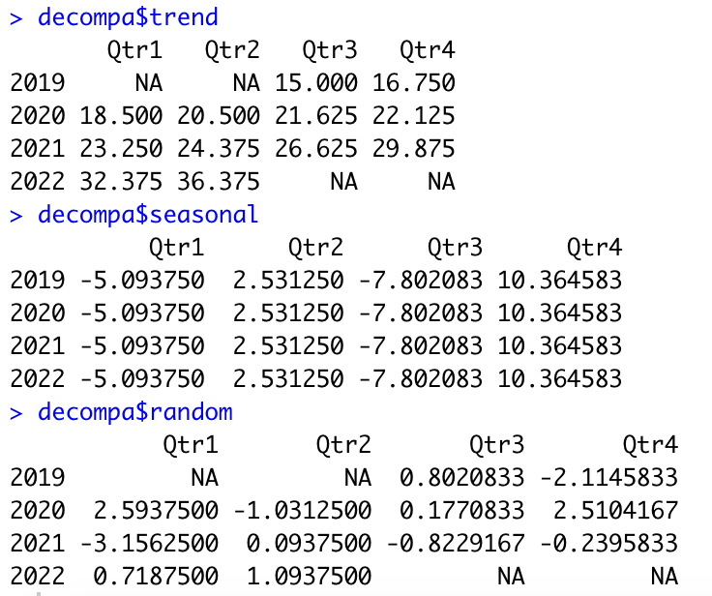

t | período | X(t)
1 | 19 Q1 | 10
2 | 19 Q2 | 14
3 | 19 Q3 | 8
4 | 19 Q4 | 25
5 | 20 Q1 | 16
6 | 20 Q2 | 22
7 | 20 Q3 | 14
8 | 20 Q4 | 35
9 | 21 Q1 | 15
10 | 21 Q2 | 27
11 | 21 Q3 | 18
12 | 21 Q4 | 40
13 | 22 Q1 | 28
14 | 22 Q2 | 40
15 | 22 Q3 | 25
16 | 22 Q4 | 65

DECOMPOSIÇÃO MULTIPLICATIVA
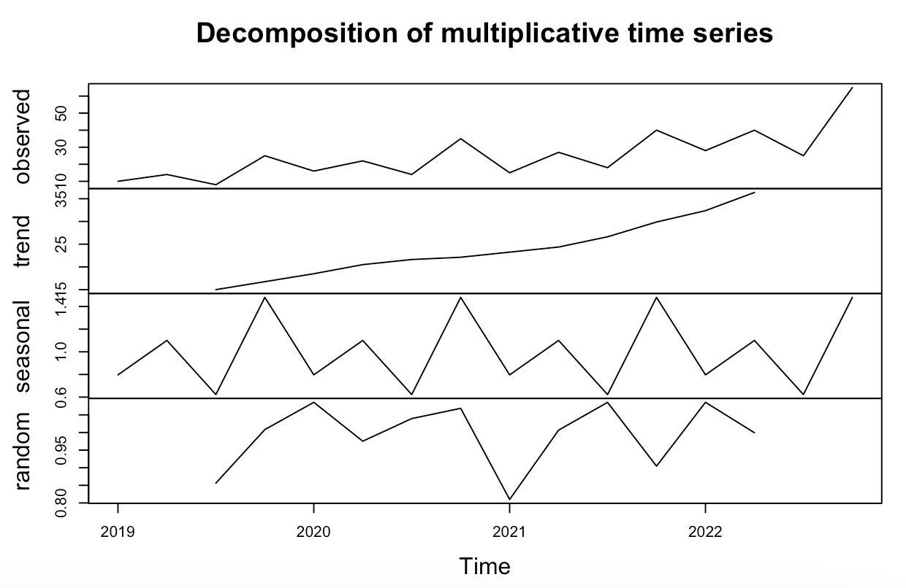
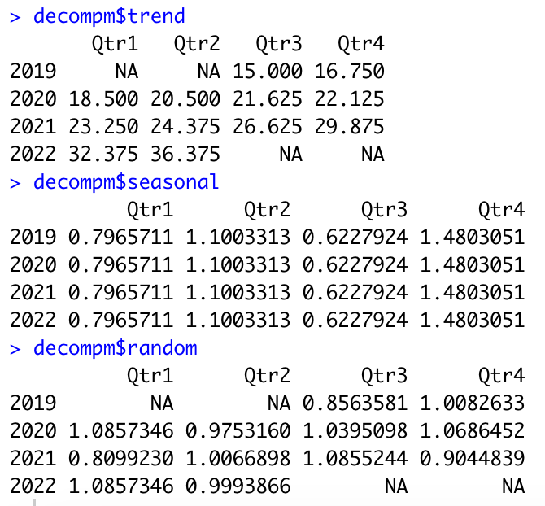
DECOMPOSIÇÃO MULTIPLICATIVA

t | período | X(t)
1 | 19 Q1 | 10
2 | 19 Q2 | 14
3 | 19 Q3 | 8
4 | 19 Q4 | 25
5 | 20 Q1 | 16
6 | 20 Q2 | 22
7 | 20 Q3 | 14
8 | 20 Q4 | 35
9 | 21 Q1 | 15
10 | 21 Q2 | 27
11 | 21 Q3 | 18
12 | 21 Q4 | 40
13 | 22 Q1 | 28
14 | 22 Q2 | 40
15 | 22 Q3 | 25
16 | 22 Q4 | 65

